Calculation
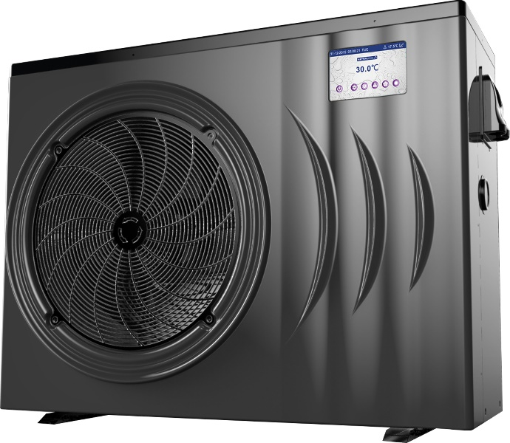
Heat Pump Sizing Guide
Prepared for:
Date:

Step 1 | Select (nearest) Location |  | Melbourne

Step 2 | Enter Swimming Pool Dimensions |  | Metres
 |  | Average Length | 10

 |  | Average Width | 5

 |  | Average Depth | 1.5

 |  | Litres | 75,000

Step 3 | Enter Desired Swimming Temperature |  | 28
 |  |  |  |  | No Cover | With Cover
Step 4 | Select your type of Swimming Season |  | All Year Round |  | kW | kW
 |  |  | Jan to Dec | Jan | 687 | 412
 |  | kW Required to Raise Water Temperature |  | Feb | 713 | 428
 |  |  |  | Mar | 905 | 543
 |  |  |  | Apr | 1166 | 699
 |  |  |  | May | 1462 | 877
 |  |  |  | Jun | 1653 | 992
 |  |  |  | Jul | 1723 | 1034
 |  |  |  | Aug | 1610 | 966
 |  |  |  | Sep | 1401 | 840
 |  |  |  | Oct | 1166 | 699
 |  |  |  | Nov | 1001 | 600
 |  |  |  | Dec | 827 | 496

 | Recommended Heat Pump Model ** |  |  | Standard Heat Pump 47.0 KW Commercial
 | Recommended Heat Pump Model (With Cover) ** |  |  | Viron Inverter Heat Pump iHP283
** Recommended model is based on heat maintenance only. Additional time or kW required for initial / start of season heat up of your pool or spa

Heating Cost
Step 5 | Enter Power Cost (cents per kW hour) |  | 28.0

 |  |  |  |  | No Cover | With Cover
 |  |  |  | Jan | $11.55 | $6.93
 | Daily Cost to maintain Temperature |  |  | Feb | $11.99 | $7.19
 |  |  |  | Mar | $15.20 | $9.12
 |  |  |  | Apr | $19.59 | $11.75
 |  |  |  | May | $30.69 | $18.42
 |  |  |  | Jun | $34.71 | $20.83
 |  |  |  | Jul | $36.17 | $21.70
 |  |  |  | Aug | $33.80 | $20.28
 |  |  |  | Sep | $29.41 | $17.65
 |  |  |  | Oct | $19.59 | $11.75
 |  |  |  | Nov | $16.81 | $10.09
 |  |  |  | Dec | $13.89 | $8.33
 |  |  |  | Annual Total | $7,388.10 | $4,432.86

**** | Avg. temperature rise per hour at ambient condition 1: |  |  |  | 0.45 | degrees
 | Avg. temperature rise per hour at ambient condition 2: |  |  |  | 0.45 | degrees

Temperature Chart
 | Desired Temp | Unheated Pool Temperature | Acheived Water Temperature with Heat Pump
Jan | 28 | 20.1 | 28.0
Feb | 28 | 19.8 | 28.0
Mar | 28 | 17.6 | 28.0
Apr | 28 | 14.6 | 28.0
May | 28 | 11.2 | 28.0
Jun | 28 | 9 | 28.0
Jul | 28 | 8.2 | 28.0
Aug | 28 | 9.5 | 28.0
Sep | 28 | 11.9 | 28.0
Oct | 28 | 14.6 | 28.0
Nov | 28 | 16.5 | 28.0
Dec | 28 | 18.5 | 28.0

kW required to Heat Pool on Initial Heat Up

Initial Heat up Cost in month of heating
 | No Cover | With Cover

Monthly Maintenance Heating Cost
 | No Cover | With Cover
Jan | $357.95 | $214.77
Feb | $335.58 | $222.92
Mar | $471.22 | $282.73
Apr | $587.56 | $364.29
May | $951.50 | $570.90
Jun | $1,041.39 | $645.66
Jul | $1,121.41 | $672.85
Aug | $1,047.78 | $628.67
Sep | $911.86 | $547.11
Oct | $587.56 | $364.29
Nov | $521.06 | $312.64
Dec | $430.44 | $258.26

Notes:
**** | Ambient Condition 1 is 24 degree air temperature, 63% RH & 27 degree entering water temperature
 | Ambient Condition 1 is 10 degree air temperature, 63% RH & 27 degree entering water temperature
 | Enter Data into Bluefields
Step 1 | Enter Nearest Location or location with similar weather conditions
Step 3 | Comfortable swimming temperature is 26-28 degrees.
Step 4 | Solar alternative season is from October - March, Extended season is from Sept-April, All rear round is all year round.
Step 5 | Peak Tarrif Electricity is generally approximatley 22-28 cents per kW hour

******Note***** This sizing guide is indicative only. In general, heat pumps are recommended replace or support solar heating or extend the swimming season to 8 or 9 months a year.
The use of a thermal blanket may reduce operating costs by up to 40% however, as many pool owners leave the blanket off during
the swimming season, these calculations assume that no blanket is used and the size of the heat pump is calculated also without a cover being used.
If swimming is required all year round, or you are selecting for a commercial establishment that requires a guarranteed temperature all
year round AstralPool recommend the use or a back up gas fired Heater.
Always consult your nearest AstralPool office when sizing heating for a commercial establishment.

 |  |  |  |  | A Division of

